Sheet1
Outcome Monitoring Couple: 12XX |  |  |  |  |  |  |  |  |  |  |  |  |  |  |  |  |  |  |  |  |  |  |  | (Instructions on how to add additional sessions to the chart are on Sheet2)
 | Session 1 |  | Session 2 |  | Session 3 |  | Session 4 |  | Session 5 |  | Session 6 |  | Session 7 |  | Session 8 |  | Session 9 |  | Session 10 |  |  |  |  |  |  |  |  |  |  |  |  |  |  |  |  |  |  |  |  |  |  |  |  |  |  |  |  |  |  |  |  |  |  |  |  |  |  |  | Session 30
Date | M | F | M | F | M | F | M | F | M | F | M | F | M | F | M | F | M | F | M | F
Emotional Engagement: Do you feel you are emotionally connected (trusting, open, safe) this week? | 6 | 6 | 6 | 6
Understanding: Do you feel you understand and are in tune with each other? | 4 | 4 | 5 | 5
Alliance: Do you feel like you and your partner are working well together toward relationship goals? | 5 | 5 | 4 | 5
Couple Functioning (Mean of Emotional Engagement + Understanding + Alliance) (Automatically calculated) | 8 | 8 | 8 | 8.6666666667 | #N/A | #N/A | #N/A | #N/A | #N/A | #N/A | #N/A | #N/A | #N/A | #N/A | #N/A | #N/A | #N/A | #N/A | #N/A | #N/A | #N/A | #N/A | #N/A | #N/A | #N/A | #N/A | #N/A | #N/A | #N/A | #N/A | #N/A | #N/A | #N/A | #N/A | #N/A | #N/A | #N/A | #N/A | #N/A | #N/A | #N/A | #N/A | #N/A | #N/A | #N/A | #N/A | #N/A | #N/A | #N/A | #N/A | #N/A | #N/A | #N/A | #N/A | #N/A | #N/A | #N/A | #N/A | #N/A | #N/A
Work: Are you putting time & effort into improving your relationship (doing positive/healthy things for your relationship)? | 5 | 6 | 5 | 6
Therapist alliance: How much is your therapist working with you to accomplish your goals? | 6 | 5 | 6 | 4
Would you say couple counseling is working? | 3 | 5 | 5 | 6
Breathe
Overall Well-Being (Scale 1-10) (Automatically calculated) | 7 | 10 | 10 | 8

Outcome Montoring
 | Couple Functioning Male | Well-Being Male | Couple Functioning Female | Well-Being Female
1 | 8 | 7 | 8 | 10
2 | 8 | 10 | 8.6666666667 | 8
3 | #N/A |  | #N/A
4 | #N/A |  | #N/A
5 | #N/A |  | #N/A
6 | #N/A |  | #N/A
7 | #N/A |  | #N/A
8 | #N/A |  | #N/A
9 | #N/A |  | #N/A
10 | #N/A |  | #N/A

Outcome Monitoring - Male
 | Therapist Alliance | Work | Is Therapy Working?
1 | 6 | 5 | 3
2 | 6 | 5 | 5
3
4
5
6
7
8
9
10
Outcome Monitoring - Female
 | Therapist Alliance | Work | Is Therapy Working?
1 | 5 | 6 | 5
2 | 4 | 6 | 6
3
4
5
6
7
8
9
10

Relationship Variables Male
 | Emotional Engagement Male | Understanding Male | Alliance Male
1 | 6 | 4 | 5
2 | 6 | 5 | 4
3
4
5
6
7
8
9
10
Relationship Variables Female
 | Emotional Engagement Female |  | Understanding Female |  | Alliance Female
1 | 6 | 1 | 4 | 1 | 5
2 | 6 | 2 | 5 | 2 | 5
3 |  | 3 |  | 3
4 |  | 4 |  | 4
5 |  | 5 |  | 5
6 |  | 6 |  | 6
7 |  | 7 |  | 7
8 |  | 8 |  | 8
9 |  | 9 |  | 9
10 |  | 10 |  | 10
12
13
14
15
16
17
18
19
20
21
22
23
24
25
26
27
28
29
30

Sheet2
What to do when you had more than 10 Sessions?

The chart is designed to recognize up to 30 sessions. You can just add additional sessions to the table at the top of the excel sheet.
Below are the steps to add additional sessions to the actual graph.

Step 1: Right click the first chart and select: "Select Data…"
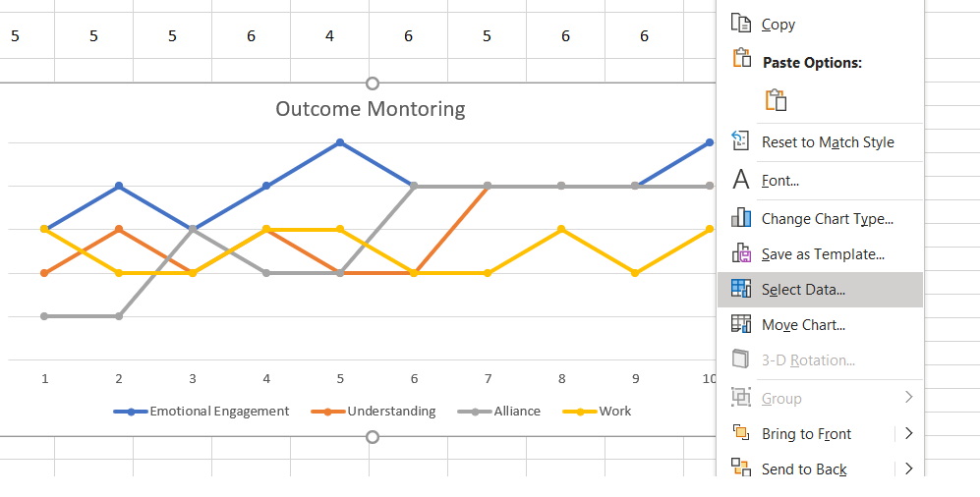

Step 2: Add as many sessions to the Horizontal Axis as needed and click "ok"
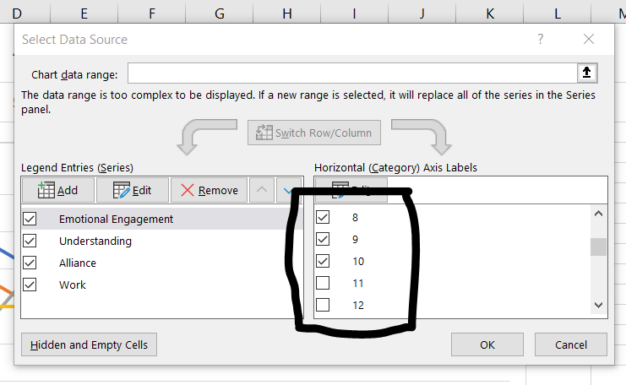

Step 3: Repeat for the other charts :)

